Sheet1
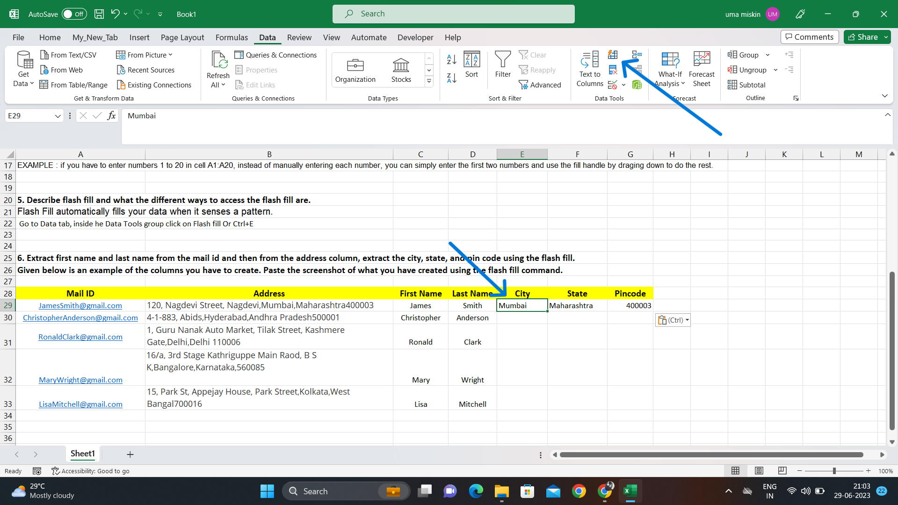
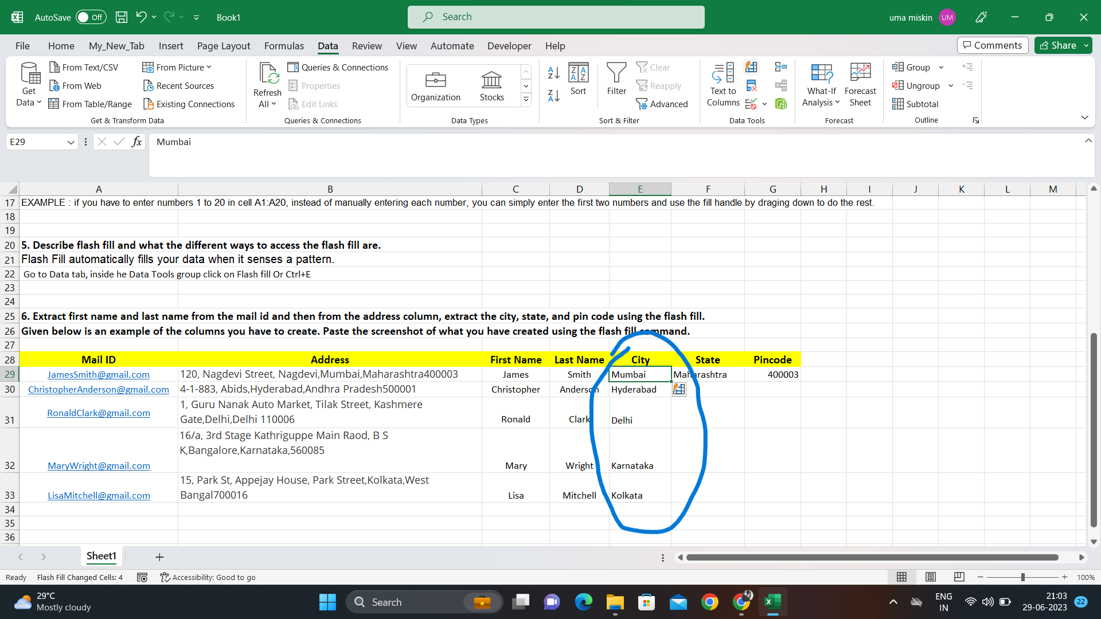
1. What do you mean by AutoComplete feature in Excel and what are the benefits of using this feature?
It helps you quickly insert functions and arguments which reduces time consumptions and errors.
The AutoComplete menu shows you available options based on context, and you choose what you want to insert into your formula.

2. Explain working with workbooks and working with cells.
A workbook contains one or more worksheets which consists of cells.
The cells are organized into columns and rows. A cell can only store 1 piece of data at a time. You can store data in a cell such as a formula, text value, numeric value, or date value.

3. What is fill handle in Excel and why do we use it?
Fill handle is a very small black box always available at the right bottom corner of every cell
When you drag the handle to other cells you can quickly copy formulas and arguments into other cells as well.

4. Give some examples of using the fill handle.
EXAMPLE : if you have to enter numbers 1 to 20 in cell A1:A20, instead of manually entering each number, you can simply enter the first two numbers and use the fill handle by draging down to do the rest.

5. Describe flash fill and what the different ways to access the flash fill are.
Flash Fill automatically fills your data when it senses a pattern.
Go to Data tab, inside he Data Tools group click on Flash fill Or Ctrl+E

6. Extract first name and last name from the mail id and then from the address column, extract the city, state, and pin code using the flash fill.
Given below is an example of the columns you have to create. Paste the screenshot of what you have created using the flash fill command.

Mail ID | Address | First Name | Last Name | City | State | Pincode
JamesSmith@gmail.com | 120, Nagdevi Street, Nagdevi,Mumbai,Maharashtra400003 | James | Smith | Mumbai | Maharashtra | 400003
ChristopherAnderson@gmail.com | 4-1-883, Abids,Hyderabad,Andhra Pradesh500001 | Christopher | Anderson | Hyderabad | Andhra Pradesh | 500001
RonaldClark@gmail.com | 1, Guru Nanak Auto Market, Tilak Street, Kashmere Gate,Delhi,Delhi 110006 | Ronald | Clark | Delhi | Delhi | 110006
MaryWright@gmail.com | 16/a, 3rd Stage Kathriguppe Main Raod, B S K,Bangalore,Karnataka,560085 | Mary | Wright | Karnataka | Karnataka | 560085
LisaMitchell@gmail.com | 15, Park St, Appejay House, Park Street,Kolkata,West Bangal700016 | Lisa | Mitchell | Kolkata | West Bangal | 700016

